Foglio1
 |  |  |  |  | 2311
PHOTO | ITEM | SKU | STYLE | SIZE | QTY | GENDER | WHS | DESCRIPTION | COLOR CODE AND DESCRIPTION | COLOR CODE
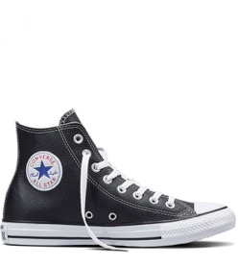 | 132170C-001 | 132170C-001 BLACK-11,5 | 132170C | 11.5 | 1 | UNISEX | 38.64 | CT Hl BLACK | 001 BLACK | 001
 | 132170C-001 | 132170C-001 BLACK-5,5 | 132170C | 5.5 | 0 | UNISEX | 38.64 | CT Hl BLACK | 001 BLACK | 001
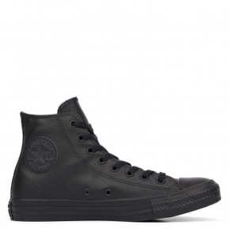 | 135251C-001 | 135251C-001 BLACK-3,5 | 135251C | 3.5 | 0 | UNISEX | 38.64 | CT AS Hl BLACK MONO | 001 BLACK | 001
 | 135251C-001 | 135251C-001 BLACK-4 | 135251C | 4 | 0 | UNISEX | 38.64 | CT AS Hl BLACK MONO | 001 BLACK | 001
 | 135251C-001 | 135251C-001 BLACK-7 | 135251C | 7 | 0 | UNISEX | 38.64 | CT AS Hl BLACK MONO | 001 BLACK | 001
 | 135251C-001 | 135251C-001 BLACK-8 | 135251C | 8 | 0 | UNISEX | 38.64 | CT AS Hl BLACK MONO | 001 BLACK | 001
 | 135251C-001 | 135251C-001 BLACK-8,5 | 135251C | 8.5 | 0 | UNISEX | 38.64 | CT AS Hl BLACK MONO | 001 BLACK | 001
 | 135251C-001 | 135251C-001 BLACK-9,5 | 135251C | 9.5 | 0 | UNISEX | 38.64 | CT AS Hl BLACK MONO | 001 BLACK | 001
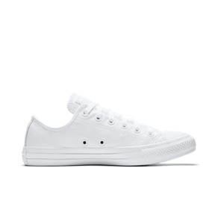 | 136823C-100 | 136823C-100 WHITE-8 | 136823C | 8 | 1 | UNISEX | 36.36 | CT OXWHT | 100 WHITE | 100
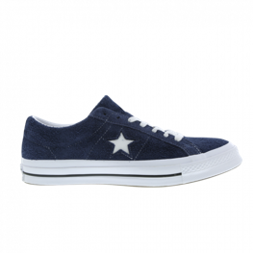 | 158371C-410 | 158371C-410 NAVY-10,5 | 158371C | 10.5 | 1 | UNISEX | 38.64 | ONE STAR OX NAVY/WHITE/WHITE | 410 NAVY | 410
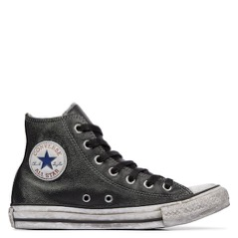 | 158575C-001 | 158575C-001 BLACK-5,5 | 158575C | 5.5 | 0 | UNISEX | 54.55 | CTAS LEATHER LTD Hl BLACK/WHITE/BLACK | 001 BLACK | 001
 | 158575C-001 | 158575C-001 BLACK-6 | 158575C | 6 | 0 | UNISEX | 54.55 | CTAS LEATHER LTD Hl BLACK/WHITE/BLACK | 001 BLACK | 001
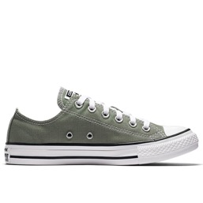 | 159564C-324 | 159564C-324 FOREST/BROWN-7 | 159564C | 7 | 0 | UNISEX | 29.55 | CTAS OX DARK STUCCO | 324 FOREST/BROWN | 324
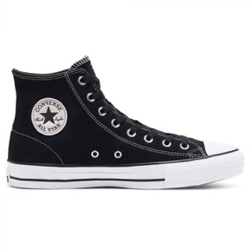 | 159573C-001 | 159573C-001 BLACK-7 | 159573C | 7 | 0 | UNISEX | 36.36 | CTAS PRO Hl BLACK/BLACK/WHITE | 001 BLACK | 001
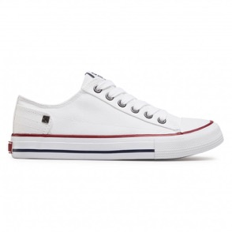 | 159699C-101 | 159699C-101 natural-3 | 159699C | 3 | 0 | UNISEX | 31.82 | CTAS PRO OX WHITE/RED/INSIGNIA BLUE | 101 natural | 101
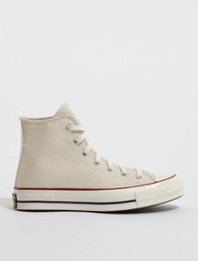 | 162053C-247 | 162053C-247 SANO-5 | 162053C | 5 | 0 | UNISEX | 40.91 | CHUCK 70 Hl PARCHMENT/GARNET/EGRET | 247 SANO | 247
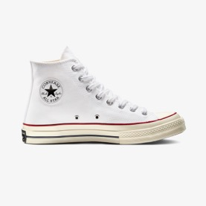 | 162056C-102 | 162056C-102 OPTICAL WHITE-5 | 162056C | 5 | 0 | UNISEX | 40.91 | CHUCK 70 Hl WHITE/GARNET/EGRET | 102 OPTICAL WHITE | 102
 | 162056C-102 | 162056C-102 OPTICAL WHITE-6 | 162056C | 6 | 0 | UNISEX | 40.91 | CHUCK 70 Hl WHITE/GARNET/EGRET | 102 OPTICAL WHITE | 102
 | 162056C-102 | 162056C-102 OPTICAL WHITE-6,5 | 162056C | 6.5 | 0 | UNISEX | 40.91 | CHUCK 70 Hl WHITE/GARNET/EGRET | 102 OPTICAL WHITE | 102
 | 162056C-102 | 162056C-102 OPTICAL WHITE-7,5 | 162056C | 7.5 | 0 | UNISEX | 40.91 | CHUCK 70 Hl WHITE/GARNET/EGRET | 102 OPTICAL WHITE | 102
 | 162056C-102 | 162056C-102 OPTICAL WHITE-9 | 162056C | 9 | 0 | UNISEX | 40.91 | CHUCK 70 Hl WHITE/GARNET/EGRET | 102 OPTICAL WHITE | 102
 | 162065C-102 | 162065C-102 OPTICAL WHITE-6 | 162065C | 6 | 0 | UNISEX | 38.64 | CHUCK 70 OX WHITE/GARNET/EGRET | 102 OPTICAL WHITE | 102
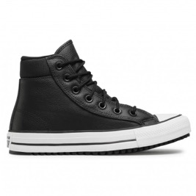 | 162415C-001 | 162415C-001 BLACK-10 | 162415C | 10 | 1 | UNISEX | 40.91 | CTAS PC BOOT Hl BLACK/BLACK/WHITE | 001 BLACK | 001
 | 162415C-001 | 162415C-001 BLACK-5,5 | 162415C | 5.5 | 1 | UNISEX | 40.91 | CTAS PC BOOT Hl BLACK/BLACK/WHITE | 001 BLACK | 001
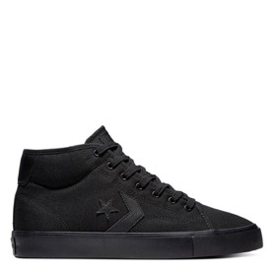 | 163264C-001 | 163264C-001 BLACK-8 | 163264C | 8 | 1 | UNISEX | 27.5 | CONVERSE STAR REPLAY MID BLACK/BLACK | 001 BLACK | 001
 | 163264C-001 | 163264C-001 BLACK-9 | 163264C | 9 | 1 | UNISEX | 27.5 | CONVERSE STAR REPLAY MID BLACK/BLACK | 001 BLACK | 001
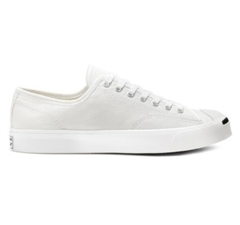 | 164057X-100 | 164057X-100 WHITE-13 | 164057X | 13 | 1 | UNISEX | 34.09 | JP OX WHITE/WHITE/BLACK | 100 WHITE | 100
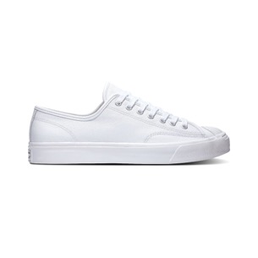 | 164225C-100 | 164225C-100 WHITE-11,5 | 164225C | 11.5 | 1 | UNISEX | 38.64 | JP OX WHITE/WHITE/WHITE | 100 WHITE | 100
 | 164225C-100 | 164225C-100 WHITE-7,5 | 164225C | 7.5 | 1 | UNISEX | 38.64 | JP OX WHITE/WHITE/WHITE 100 WHITE | 100 WHITE | 100
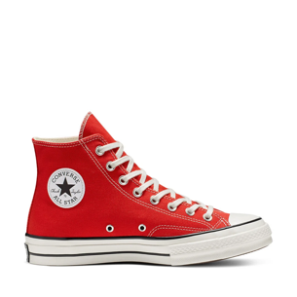 | 164944C-603 | 164944C-603 FLAME-10 | 164944C | 10 | 0 | UNISEX | 40.91 | CHUCK 70 Hl ENAMEL RED/EGRET/BLACK 603 FLAME | 603 FLAME | 603
 | 164944C-603 | 164944C-603 FLAME-11 | 164944C | 11 | 0 | UNISEX | 40.91 | CHUCK 70 Hl ENAMEL RED/EGRET/BLACK 603 FLAME | 603 FLAME | 603
 | 164944C-603 | 164944C-603 FLAME-7 | 164944C | 7 | 0 | UNISEX | 40.91 | CHUCK 70 Hl ENAMEL RED/EGRET/BLACK 603 FLAME | 603 FLAME | 603
 | 164944C-603 | 164944C-603 FLAME-7,5 | 164944C | 7.5 | 0 | UNISEX | 40.91 | CHUCK 70 Hl ENAMEL RED/EGRET/BLACK 603 FLAME | 603 FLAME | 603
 | 164944C-603 | 164944C-603 FLAME-8 | 164944C | 8 | 0 | UNISEX | 40.91 | CHUCK 70 Hl ENAMEL RED/EGRET/BLACK 603 FLAME | 603 FLAME | 603
 | 164944C-603 | 164944C-603 FLAME-9 | 164944C | 9 | 0 | UNISEX | 40.91 | CHUCK 70 Hl ENAMEL RED/EGRET/BLACK 603 FLAME | 603 FLAME | 603
 | 164945C-603 | 164945C-603 FLAME-11 | 164945C | 11 | 1 | UNISEX | 40.91 | CHUCK 70 Hl OBSIDIAN/EGRET/BLACK 603 FLAME | 603 FLAME | 603
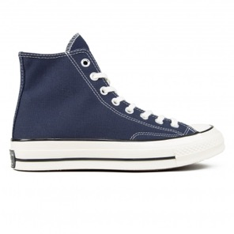 | 164945C-467 | 164945C-467 DARK NAVY-11,5 | 164945C | 11.5 | 1 | UNISEX | 40.91 | CHUCK 70 Hl OBSIDIAN/EGRET/BLACK 467 DARK NAVY | 467 DARK NAVY | 467
 | 164945C-467 | 164945C-467 DARK NAVY-6,5 | 164945C | 6.5 | 0 | UNISEX | 40.91 | CHUCK 70 Hl OBSIDIAN/EGRET/BLACK 467 DARK NAVY | 467 DARK NAVY | 467
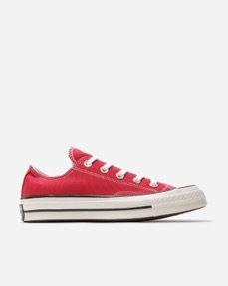 | 164949C-603 | 164949C-603 FLAME-11 | 164949C | 11 | 1 | UNISEX | 38.64 | CHUCK 70 OX ENAMEL RED/EGRET/BLACK 603 FLAME | 603 FLAME | 603
 | 164949C-603 | 164949C-603 FLAME-3,5 | 164949C | 3.5 | 1 | UNISEX | 38.64 | CHUCK 70 OX ENAMEL RED/EGRET/BLACK 603 FLAME | 603 FLAME | 603
 | 164949C-603 | 164949C-603 FLAME-6,5 | 164949C | 6.5 | 1 | UNISEX | 38.64 | CHUCK 70 OX ENAMEL RED/EGRET/BLACK 603 FLAME | 603 FLAME | 603
 | 164949C-603 | 164949C-603 FLAME-7 | 164949C | 7 | 1 | UNISEX | 38.64 | CHUCK 70 OX ENAMEL RED/EGRET/BLACK 603 FLAME | 603 FLAME | 603
 | 164949C-603 | 164949C-603 FLAME-8,5 | 164949C | 8.5 | 1 | UNISEX | 38.64 | CHUCK 70 OX ENAMEL RED/EGRET/BLACK 603 FLAME | 603 FLAME | 603
 | 164950C-467 | 164950C-467 DARK NAVY-9 | 164950C | 9 | 1 | UNISEX | 38.64 | CHUCK 70 OX OBSIDIAN/EGRET/BLACK 467 DARK NAVY | 467 DARK NAVY | 467
 | 165760C-001 | 165760C-001 BLACK-3 | 165760C | 3 | 1 | UNISEX | 68.18 | CTAS LEATHER LTD Hl BLACKIVINTAGE ST UDS | 001 BLACK | 001
 | 166070C-001 | 166070C-001 BLACK-3 | 166070C | 3 | 1 | UNISEX | 31.82 | CTAS Hl BLACK/WHITE/BLACK | 001 BLACK | 001
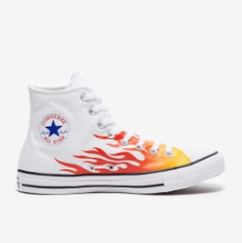 | 166257C-102 | 166257C-102 OPTICAL WHITE-11 | 166257C | 11 | 2 | UNISEX | 31.82 | CTAS Hl WHITE/ENAMEL RED/FRESH YELLOW | 102 OPTICAL WHITE | 102
 | 166257C-102 | 166257C-102 OPTICAL WHITE-8,5 | 166257C | 8.5 | 1 | UNISEX | 31.82 | CTAS Hl WHITE/ENAMEL RED/FRESH YELLOW | 102 OPTICAL WHITE | 102
 | 166257C-102 | 166257C-102 OPTICAL WHITE-9 | 166257C | 9 | 5 | UNISEX | 31.82 | CTAS Hl WHITE/ENAMEL RED/FRESH YELLOW | 102 OPTICAL WHITE | 102
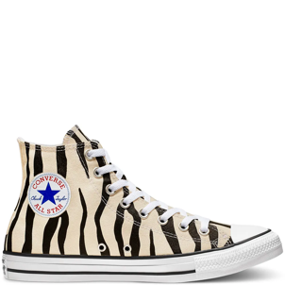 | 166258C-001 | 166258C-001 BLACK-3,5 | 166258C | 3.5 | 0 | UNISEX | 31.82 | CTAS Hl BLACK/GREIGE/WHITE | 001 BLACK | 001
 | 166258C-001 | 166258C-001 BLACK-4,5 | 166258C | 4.5 | 0 | UNISEX | 31.82 | CTAS Hl BLACK/GREIGE/WHITE | 001 BLACK | 001
 | 166258C-001 | 166258C-001 BLACK-6 | 166258C | 6 | 0 | UNISEX | 31.82 | CTAS Hl BLACK/GREIGE/WHITE | 001 BLACK | 001
 | 166260C-001 | 166260C-001 BLACK-3 | 166260C | 3 | 1 | UNISEX | 29.55 | CTAS OX BLACK/DRIFTWOODILIGHT FAWN | 001 BLACK | 001
 | 166426C-102 | 166426C-102 OPTICAL WHITE-5,5 | 166426C | 5.5 | 0 | UNISEX | 54.55 | CHUCK 70 Hl WHITEIGARNETIEGRET | 102 OPTICAL WHITE | 102
 | 166502C-001 | 166502C-001 BLACK-12 | 166502C | 12 | 1 | UNISEX | 36.36 | UNT1TL3D Hl BLACKIWHITEIBOLD MANDARIN | 001 BLACK | 001
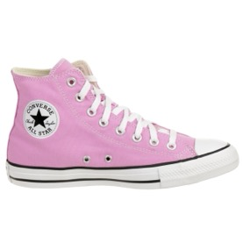 | 166704C-640 | 166704C-640 FUCHSIA-13 | 166704C | 13 | 1 | UNISEX | 31.82 | CTAS Hl PEONY PINK | 640 FUCHSIA | 640
 | 166704C-640 | 166704C-640 FUCHSIA-5,5 | 166704C | 5.5 | 1 | UNISEX | 31.82 | CTAS Hl PEONY PINK | 640 FUCHSIA | 640
 | 166704C-640 | 166704C-640 FUCHSIA-6 | 166704C | 6 | 3 | UNISEX | 31.82 | CTAS Hl PEONY PINK | 640 FUCHSIA | 640
 | 166704C-640 | 166704C-640 FUCHSIA-7 | 166704C | 7 | 1 | UNISEX | 31.82 | CTAS Hl PEONY PINK | 640 FUCHSIA | 640
 | 166704C-640 | 166704C-640 FUCHSIA-7,5 | 166704C | 7.5 | 1 | UNISEX | 31.82 | CTAS Hl PEONY PINK | 640 FUCHSIA | 640
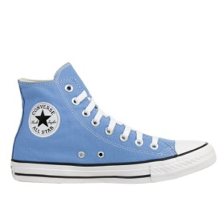 | 166706C-450 | 166706C-450 LIGHT BLUE-13 | 166706C | 13 | 1 | UNISEX | 31.82 | CTAS Hl COAST | 450 LIGHT BLUE | 450
 | 166706C-450 | 166706C-450 LIGHT BLUE-6 | 166706C | 6 | 1 | UNISEX | 31.82 | CTAS Hl COAST | 450 LIGHT BLUE | 450
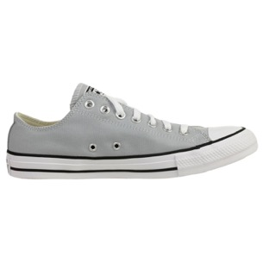 | 166710C-097 | 166710C-097 GREYIPRINT-6,5 | 166710C | 6.5 | 0 | UNISEX | 29.55 | CTAS OX WOLF GREY | 097 GREYIPRINT | 097
 | 166710C-097 | 166710C-097 GREYIPRINT-7 | 166710C | 7 | 0 | UNISEX | 29.55 | CTAS OX WOLF GREY | 097 GREYIPRINT | 097
 | 166710C-097 | 166710C-097 GREYIPRINT-7,5 | 166710C | 7.5 | 0 | UNISEX | 29.55 | CTAS OX WOLF GREY | 097 GREYIPRINT | 097
 | 166710C-097 | 166710C-097 GREYIPRINT-8 | 166710C | 8 | 0 | UNISEX | 29.55 | CTAS OX WOLF GREY | 097 GREYIPRINT | 097
 | 166710C-097 | 166710C-097 GREYIPRINT-8,5 | 166710C | 8.5 | 0 | UNISEX | 29.55 | CTAS OX WOLF GREY | 097 GREYIPRINT | 097
 | 166710C-097 | 166710C-097 GREYIPRINT-9,5 | 166710C | 9.5 | 2 | UNISEX | 29.55 | CTAS OX WOLF GREY | 097 GREYIPRINT | 097
 | 166714C-001 | 166714C-001 BLACK-9,5 | 166714C | 9.5 | 1 | UNISEX | 31.82 | CTAS Hl BLACKICANDIED GINGERIWHITE | 001 BLACK | 001
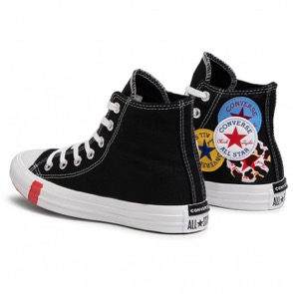 | 166734C-001 | 166734C-001 BLACK-4 | 166734C | 4 | 13 | UNISEX | 36.36 | CTAS Hl BLACK/UNIVERSITY RED/AMARILLO | 001 BLACK | 001
 | 166734C-001 | 166734C-001 BLACK-4,5 | 166734C | 4.5 | 21 | UNISEX | 36.36 | CTAS Hl BLACK/UNIVERSITY RED/AMARILLO | 001 BLACK | 001
 | 166734C-001 | 166734C-001 BLACK-5 | 166734C | 5 | 17 | UNISEX | 36.36 | CTAS Hl BLACK/UNIVERSITY RED/AMARILLO | 001 BLACK | 001
 | 166734C-001 | 166734C-001 BLACK-5,5 | 166734C | 5.5 | 0 | UNISEX | 36.36 | CTAS Hl BLACK/UNIVERSITY RED/AMARILLO | 001 BLACK | 001
 | 166734C-001 | 166734C-001 BLACK-6 | 166734C | 6 | 2 | UNISEX | 36.36 | CTAS Hl BLACK/UNIVERSITY RED/AMARILLO | 001 BLACK | 001
 | 166734C-001 | 166734C-001 BLACK-6,5 | 166734C | 6.5 | 6 | UNISEX | 36.36 | CTAS Hl BLACK/UNIVERSITY RED/AMARILLO | 001 BLACK | 001
 | 166734C-001 | 166734C-001 BLACK-7,5 | 166734C | 7.5 | 7 | UNISEX | 36.36 | CTAS Hl BLACK/UNIVERSITY RED/AMARILLO | 001 BLACK | 001
 | 166734C-001 | 166734C-001 BLACK-8 | 166734C | 8 | 2 | UNISEX | 36.36 | CTAS Hl BLACK/UNIVERSITY RED/AMARILLO | 001 BLACK | 001
 | 166734C-001 | 166734C-001 BLACK-8,5 | 166734C | 8.5 | 2 | UNISEX | 36.36 | CTAS Hl BLACK/UNIVERSITY RED/AMARILLO | 001 BLACK | 001
 | 166734C-001 | 166734C-001 BLACK-9 | 166734C | 9 | 1 | UNISEX | 36.36 | CTAS Hl BLACK/UNIVERSITY RED/AMARILLO | 001 BLACK | 001
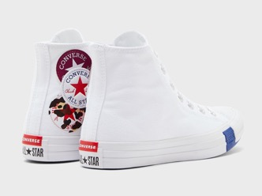 | 166735C-102 | 166735C-102 OPTICAL WHITE-4 | 166735C | 4 | 24 | UNISEX | 36.36 | CTAS Hl WHITEIRUSH BLUE/ROSE MAROON | 102 OPTICAL WHITE | 102
 | 166735C-102 | 166735C-102 OPTICAL WHITE-5 | 166735C | 5 | 36 | UNISEX | 36.36 | CTAS Hl WHITEIRUSH BLUE/ROSE MAROON | 102 OPTICAL WHITE | 102
 | 166735C-102 | 166735C-102 OPTICAL WHITE-5,5 | 166735C | 5.5 | 8 | UNISEX | 36.36 | CTAS Hl WHITEIRUSH BLUE/ROSE MAROON | 102 OPTICAL WHITE | 102
 | 166735C-102 | 166735C-102 OPTICAL WHITE-6,5 | 166735C | 6.5 | 9 | UNISEX | 36.36 | CTAS Hl WHITEIRUSH BLUE/ROSE MAROON | 102 OPTICAL WHITE | 102
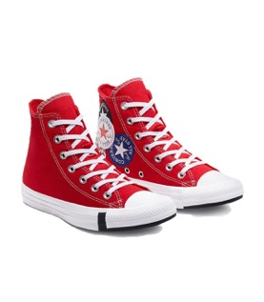 | 166736C-610 | 166736C-610 MEDIUM RED-3,5 | 166736C | 3.5 | 21 | UNISEX | 36.36 | CTAS Hl UNIVERSITY RED/BLACK/RUSH BLUE | 610 MEDIUM RED | 610
 | 166736C-610 | 166736C-610 MEDIUM RED-4 | 166736C | 4 | 24 | UNISEX | 36.36 | CTAS Hl UNIVERSITY RED/BLACK/RUSH BLUE | 610 MEDIUM RED | 610
 | 166736C-610 | 166736C-610 MEDIUM RED-4,5 | 166736C | 4.5 | 18 | UNISEX | 36.36 | CTAS Hl UNIVERSITY RED/BLACK/RUSH BLUE | 610 MEDIUM RED | 610
 | 166736C-610 | 166736C-610 MEDIUM RED-5 | 166736C | 5 | 39 | UNISEX | 36.36 | CTAS Hl UNIVERSITY RED/BLACK/RUSH BLUE | 610 MEDIUM RED | 610
 | 166736C-610 | 166736C-610 MEDIUM RED-5,5 | 166736C | 5.5 | 7 | UNISEX | 36.36 | CTAS Hl UNIVERSITY RED/BLACK/RUSH BLUE | 610 MEDIUM RED | 610
 | 166736C-610 | 166736C-610 MEDIUM RED-6 | 166736C | 6 | 28 | UNISEX | 36.36 | CTAS Hl UNIVERSITY RED/BLACK/RUSH BLUE | 610 MEDIUM RED | 610
 | 166736C-610 | 166736C-610 MEDIUM RED-6,5 | 166736C | 6.5 | 13 | UNISEX | 36.36 | CTAS Hl UNIVERSITY RED/BLACK/RUSH BLUE | 610 MEDIUM RED | 610
 | 166736C-610 | 166736C-610 MEDIUM RED-7,5 | 166736C | 7.5 | 7 | UNISEX | 36.36 | CTAS Hl UNIVERSITY RED/BLACK/RUSH BLUE | 610 MEDIUM RED | 610
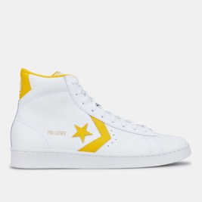 | 166812C-996 | 166812C-996 WHITE/YELLOW-7 | 166812C | 7 | 1 | UNISEX | 40.91 | PRO LEATHER Hl WHITE/AMARILLO/WHITE | 996 WHITE/YELLOW | 996
 | 166812C-996 | 166812C-996 WHITE/YELLOW-8,5 | 166812C | 8.5 | 1 | UNISEX | 40.91 | PRO LEATHER Hl WHITE/AMARILLO/WHITE | 996 WHITE/YELLOW | 996
 | 166813C-189 | 166813C-189 WHITE/BLUE-7 | 166813C | 7 | 1 | UNISEX | 40.91 | PRO LEATHER Hl WHITE/COAST BLUE/WHITE | 189 WHITE/BLUE | 189
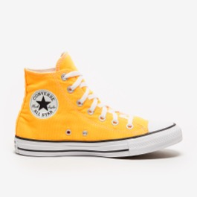 | 167236C-818 | 167236C-818 ORANGE/GUM-3,5 | 167236C | 3.5 | 1 | UNISEX | 31.82 | CTAS Hl LASER ORANGE | 818 ORANGE/GUM | 818
 | 167236C-818 | 167236C-818 ORANGE/GUM-4 | 167236C | 4 | 1 | UNISEX | 31.82 | CTAS Hl LASER ORANGE | 818 ORANGE/GUM | 818
 | 167236C-818 | 167236C-818 ORANGE/GUM-4,5 | 167236C | 4.5 | 1 | UNISEX | 31.82 | CTAS Hl LASER ORANGE | 818 ORANGE/GUM | 818
 | 167236C-818 | 167236C-818 ORANGE/GUM-5,5 | 167236C | 5.5 | 2 | UNISEX | 31.82 | CTAS Hl LASER ORANGE | 818 ORANGE/GUM | 818
 | 167236C-818 | 167236C-818 ORANGE/GUM-6 | 167236C | 6 | 3 | UNISEX | 31.82 | CTAS Hl LASER ORANGE | 818 ORANGE/GUM | 818
 | 167236C-818 | 167236C-818 ORANGE/GUM-9,5 | 167236C | 9.5 | 2 | UNISEX | 31.82 | CTAS Hl LASER ORANGE | 818 ORANGE/GUM | 818
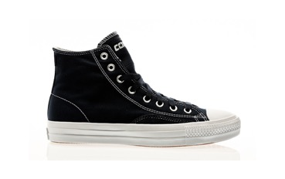 | 167606C-467 | 167606C-467 DARK NAVY-7,5 | 167606C | 7.5 | 1 | UNISEX | 34.09 | CTAS PRO OP Hl OBSIDIAN/WHITE/WHITE | 467 DARK NAVY | 467
 | 167606C-467 | 167606C-467 DARK NAVY-9,5 | 167606C | 9.5 | 1 | UNISEX | 34.09 | CTAS PRO OP Hl OBSIDIAN/WHITE/WHITE | 467 DARK NAVY | 467
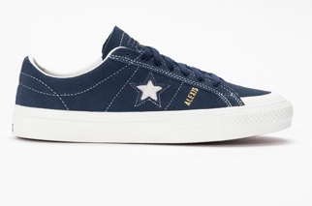 | 167615C-467 | 167615C-467 DARK NAVY-8 | 167615C | 8 | 1 | UNISEX | 38.64 | OS PRO AS OX OBSIDIAN/EGRET/EGRET | 467 DARK NAVY | 467
 | 167615C-467 | 167615C-467 DARK NAVY-8,5 | 167615C | 8.5 | 1 | UNISEX | 38.64 | OS PRO AS OX OBSIDIAN/EGRET/EGRET | 467 DARK NAVY | 467
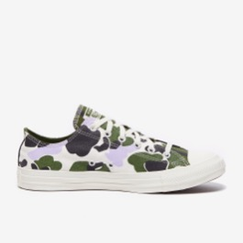 | 167632C-281 | 167632C-281 BONE-10 | 167632C | 10 | 2 | UNISEX | 31.82 | CTAS OX EGRET/MOONSTONE VIOLET | 281 BONE | 281
 | 167632C-281 | 167632C-281 BONE-10,5 | 167632C | 10.5 | 2 | UNISEX | 31.82 | CTAS OX EGRET/MOONSTONE VIOLET | 281 BONE | 281
 | 167632C-281 | 167632C-281 BONE-7 | 167632C | 7 | 2 | UNISEX | 31.82 | CTAS OX EGRET/MOONSTONE VIOLET | 281 BONE | 281
 | 167632C-281 | 167632C-281 BONE-7,5 | 167632C | 7.5 | 3 | UNISEX | 31.82 | CTAS OX EGRET/MOONSTONE VIOLET | 281 BONE | 281
 | 167632C-281 | 167632C-281 BONE-8 | 167632C | 8 | 2 | UNISEX | 31.82 | CTAS OX EGRET/MOONSTONE VIOLET | 281 BONE | 281
 | 167632C-281 | 167632C-281 BONE-8,5 | 167632C | 8.5 | 3 | UNISEX | 31.82 | CTAS OX EGRET/MOONSTONE VIOLET | 281 BONE | 281
 | 167632C-281 | 167632C-281 BONE-9,5 | 167632C | 9.5 | 3 | UNISEX | 31.82 | CTAS OX EGRET/MOONSTONE VIOLET | 281 BONE | 281
 | 167637C-281 | 167637C-281 BONE-3 | 167637C | 3 | 1 | UNISEX | 40.91 | CHUCK 70 Hl EGRET/LEMONGRASSIBLACK | 281 BONE | 281
 | 167700C-820 | 167700C-820 BRIGHT ORANGE-9 | 167700C | 9 | 1 | UNISEX | 40.91 | CHUCK 70 Hl TOTAL ORANGE/EGRET/BLACK | 820 BRIGHT ORANGE | 820
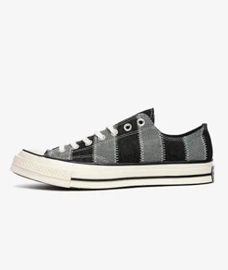 | 167708C-001 | 167708C-001 BLACK-4 | 167708C | 4 | 1 | UNISEX | 40.91 | C HUCK 70 OX BLACK/WHITEIEGRET | 001 BLACK | 001
 | 167708C-001 | 167708C-001 BLACK-9,5 | 167708C | 9.5 | 1 | UNISEX | 40.91 | C HUCK 70 OX BLACK/WHITEIEGRET | 001 BLACK | 001
 | 167812C-426 | 167812C-426 SLATE BLUE-10 | 167812C | 10 | 1 | UNISEX | 38.64 | CHUCK 70 OX NAVY/WHITE/EGRET | 426 SLATE BLUE | 426
 | 167812C-426 | 167812C-426 SLATE BLUE-11 | 167812C | 11 | 1 | UNISEX | 38.64 | CHUCK 70 OX NAVY/WHITE/EGRET | 426 SLATE BLUE | 426
 | 167812C-426 | 167812C-426 SLATE BLUE-11,5 | 167812C | 11.5 | 1 | UNISEX | 38.64 | CHUCK 70 OX NAVY/WHITE/EGRET | 426 SLATE BLUE | 426
 | 167812C-426 | 167812C-426 SLATE BLUE-4,5 | 167812C | 4.5 | 0 | UNISEX | 38.64 | CHUCK 70 OX NAVY/WHITE/EGRET | 426 SLATE BLUE | 426
 | 167812C-426 | 167812C-426 SLATE BLUE-5,5 | 167812C | 5.5 | 0 | UNISEX | 38.64 | CHUCK 70 OX NAVY/WHITE/EGRET | 426 SLATE BLUE | 426
 | 167812C-426 | 167812C-426 SLATE BLUE-7 | 167812C | 7 | 2 | UNISEX | 38.64 | CHUCK 70 OX NAVY/WHITE/EGRET | 426 SLATE BLUE | 426
 | 167812C-426 | 167812C-426 SLATE BLUE-8,5 | 167812C | 8.5 | 2 | UNISEX | 38.64 | CHUCK 70 OX NAVY/WHITE/EGRET | 426 SLATE BLUE | 426
 | 167812C-426 | 167812C-426 SLATE BLUE-9,5 | 167812C | 9.5 | 1 | UNISEX | 38.64 | CHUCK 70 OX NAVY/WHITE/EGRET | 426 SLATE BLUE | 426
 | 167961C-426 | 167961C-426 SLATE BLUE-7,5 | 167961C | 7.5 | 1 | UNISEX | 31.82 | CTAS OX DARK NAVY/EGRET/BLACK | 426 SLATE BLUE | 426
 | 167968C-102 | 167968C-102 OPTICAL WHITE-7 | 167968C | 7 | 1 | UNISEX | 45.45 | PRO LEATHER OG Hl WHITE/OBSIDIAN/EGRET | 102 OPTICAL WHITE | 102
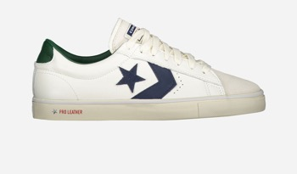 | 167972C-102 | 167972C-102 OPTICAL WHITE-10 | 167972C | 10 | 2 | UNISEX | 38.64 | PRO LEATHER VULC OX WHITE/OBSIDIAN/ DRIFT | 102 OPTICAL WHITE | 102
 | 167972C-102 | 167972C-102 OPTICAL WHITE-11 | 167972C | 11 | 2 | UNISEX | 38.64 | PRO LEATHER VULC OX WHITE/OBSIDIAN/ DRIFT | 102 OPTICAL WHITE | 102
 | 167972C-102 | 167972C-102 OPTICAL WHITE-11,5 | 167972C | 11.5 | 1 | UNISEX | 38.64 | PRO LEATHER VULC OX WHITE/OBSIDIAN/ DRIFT | 102 OPTICAL WHITE | 102
 | 167972C-102 | 167972C-102 OPTICAL WHITE-7 | 167972C | 7 | 3 | UNISEX | 38.64 | PRO LEATHER VULC OX WHITE/OBSIDIAN/ DRIFT | 102 OPTICAL WHITE | 102
 | 167972C-102 | 167972C-102 OPTICAL WHITE-7,5 | 167972C | 7.5 | 1 | UNISEX | 38.64 | PRO LEATHER VULC OX WHITE/OBSIDIAN/ DRIFT | 102 OPTICAL WHITE | 102
 | 167972C-102 | 167972C-102 OPTICAL WHITE-9 | 167972C | 9 | 1 | UNISEX | 38.64 | PRO LEATHER VULC OX WHITE/OBSIDIAN/ DRIFT | 102 OPTICAL WHITE | 102
 | 167972C-102 | 167972C-102 OPTICAL WHITE-9,5 | 167972C | 9.5 | 1 | UNISEX | 38.64 | PRO LEATHER VULC OX WHITE/OBSIDIAN/ DRIFT | 102 OPTICAL WHITE | 102
 | 167973C-102 | 167973C-102 OPTICAL WHITE-10 | 167973C | 10 | 0 | UNISEX | 38.64 | PRO LEATHER VULC OX WHITEIVENETIAN RUST | 102 OPTICAL WHITE | 102
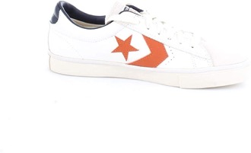 | 167973C-102 | 167973C-102 OPTICAL WHITE-7 | 167973C | 7 | 2 | UNISEX | 38.64 | PRO LEATHER VULC OX WHITEIVENETIAN RUST | 102 OPTICAL WHITE | 102
 | 167973C-102 | 167973C-102 OPTICAL WHITE-8 | 167973C | 8 | 0 | UNISEX | 38.64 | PRO LEATHER VULC OX WHITEIVENETIAN RUST | 102 OPTICAL WHITE | 102
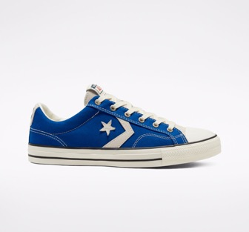 | 167979C-400 | 167979C-400 BLUE-10 | 167979C | 10 | 3 | UNISEX | 34.09 | STAR PLAYER OX CONVERSE BLUE | 400 BLUE | 400
 | 167979C-400 | 167979C-400 BLUE-11 | 167979C | 11 | 2 | UNISEX | 34.09 | STAR PLAYER OX CONVERSE BLUE | 400 BLUE | 400
 | 167979C-400 | 167979C-400 BLUE-7 | 167979C | 7 | 3 | UNISEX | 34.09 | STAR PLAYER OX CONVERSE BLUE | 400 BLUE | 400
 | 167979C-400 | 167979C-400 BLUE-8 | 167979C | 8 | 1 | UNISEX | 34.09 | STAR PLAYER OX CONVERSE BLUE | 400 BLUE | 400
 | 167979C-400 | 167979C-400 BLUE-8,5 | 167979C | 8.5 | 9 | UNISEX | 34.09 | STAR PLAYER OX CONVERSE BLUE | 400 BLUE | 400
 | 167979C-400 | 167979C-400 BLUE-9 | 167979C | 9 | 2 | UNISEX | 34.09 | STAR PLAYER OX CONVERSE BLUE | 400 BLUE | 400
 | 167979C-400 | 167979C-400 BLUE-9,5 | 167979C | 9.5 | 2 | UNISEX | 34.09 | STAR PLAYER OX CONVERSE BLUE | 400 BLUE | 400
 | 168563C-036 | 168563C-036 STONE/BROWN-9 | 168563C | 9 | 0 | UNISEX | 54.55 | ALL STAR DISRUPT CX Hl PALE PUTTY/WHITE | 036 STONE/BROWN | 036
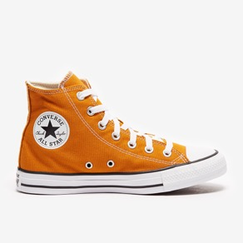 | 168573C-805 | 168573C-805 PUMPKIN-3,5 | 168573C | 3.5 | 0 | UNISEX | 31.82 | CTAS Hl SAFFRON YELLOW | 805 PUMPKIN | 805
 | 168573C-805 | 168573C-805 PUMPKIN-4 | 168573C | 4 | 1 | UNISEX | 31.82 | CTAS Hl SAFFRON YELLOW | 805 PUMPKIN | 805
 | 168573C-805 | 168573C-805 PUMPKIN-4,5 | 168573C | 4.5 | 0 | UNISEX | 31.82 | CTAS Hl SAFFRON YELLOW | 805 PUMPKIN | 805
 | 168573C-805 | 168573C-805 PUMPKIN-5,5 | 168573C | 5.5 | 1 | UNISEX | 31.82 | CTAS Hl SAFFRON YELLOW | 805 PUMPKIN | 805
 | 168573C-805 | 168573C-805 PUMPKIN-6 | 168573C | 6 | 0 | UNISEX | 31.82 | CTAS Hl SAFFRON YELLOW | 805 PUMPKIN | 805
 | 168573C-805 | 168573C-805 PUMPKIN-9 | 168573C | 9 | 1 | UNISEX | 31.82 | CTAS Hl SAFFRON YELLOW | 805 PUMPKIN | 805
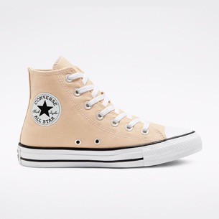 | 168575C-275 | 168575C-275 SANDIIVORY-3 | 168575C | 3 | 1 | UNISEX | 31.82 | CTAS Hl FARRO | 275 SANDIIVORY | 275
 | 168575C-275 | 168575C-275 SANDIIVORY-6,5 | 168575C | 6.5 | 1 | UNISEX | 31.82 | CTAS Hl FARRO | 275 SANDIIVORY | 275
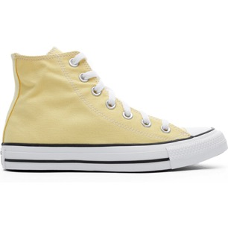 | 168576C-740 | 168576C-740 LIGHT YELLOW-11 | 168576C | 11 | 1 | UNISEX | 31.82 | CTAS Hl BUTTER YELLOW | 740 LIGHT YELLOW | 740
 | 168576C-740 | 168576C-740 LIGHT YELLOW-13 | 168576C | 13 | 1 | UNISEX | 31.82 | CTAS Hl BUTTER YELLOW | 740 LIGHT YELLOW | 740
 | 168576C-740 | 168576C-740 LIGHT YELLOW-3 | 168576C | 3 | 4 | UNISEX | 31.82 | CTAS Hl BUTTER YELLOW | 740 LIGHT YELLOW | 740
 | 168576C-740 | 168576C-740 LIGHT YELLOW-3,5 | 168576C | 3.5 | 0 | UNISEX | 31.82 | CTAS Hl BUTTER YELLOW | 740 LIGHT YELLOW | 740
 | 168576C-740 | 168576C-740 LIGHT YELLOW-4,5 | 168576C | 4.5 | 1 | UNISEX | 31.82 | CTAS Hl BUTTER YELLOW | 740 LIGHT YELLOW | 740
 | 168576C-740 | 168576C-740 LIGHT YELLOW-5,5 | 168576C | 5.5 | 0 | UNISEX | 31.82 | CTAS Hl BUTTER YELLOW | 740 LIGHT YELLOW | 740
 | 168576C-740 | 168576C-740 LIGHT YELLOW-6 | 168576C | 6 | 0 | UNISEX | 31.82 | CTAS Hl BUTTER YELLOW | 740 LIGHT YELLOW | 740
 | 168576C-740 | 168576C-740 LIGHT YELLOW-8,5 | 168576C | 8.5 | 3 | UNISEX | 31.82 | CTAS Hl BUTTER YELLOW | 740 LIGHT YELLOW | 740
 | 168576C-740 | 168576C-740 LIGHT YELLOW-9,5 | 168576C | 9.5 | 2 | UNISEX | 31.82 | CTAS Hl BUTTER YELLOW | 740 LIGHT YELLOW | 740
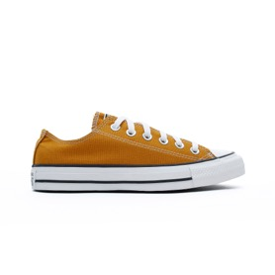 | 168578C-805 | 168578C-805 PUMPKIN-3 | 168578C | 3 | 0 | UNISEX | 29.55 | CTAS OX SAFFRON YELLOW | 805 PUMPKIN | 805
 | 168578C-805 | 168578C-805 PUMPKIN-3,5 | 168578C | 3.5 | 0 | UNISEX | 29.55 | CTAS OX SAFFRON YELLOW | 805 PUMPKIN | 805
 | 168578C-805 | 168578C-805 PUMPKIN-4 | 168578C | 4 | 0 | UNISEX | 29.55 | CTAS OX SAFFRON YELLOW | 805 PUMPKIN | 805
 | 168578C-805 | 168578C-805 PUMPKIN-4,5 | 168578C | 4.5 | 0 | UNISEX | 29.55 | CTAS OX SAFFRON YELLOW | 805 PUMPKIN | 805
 | 168578C-805 | 168578C-805 PUMPKIN-5 | 168578C | 5 | 1 | UNISEX | 29.55 | CTAS OX SAFFRON YELLOW | 805 PUMPKIN | 805
 | 168578C-805 | 168578C-805 PUMPKIN-5,5 | 168578C | 5.5 | 2 | UNISEX | 29.55 | CTAS OX SAFFRON YELLOW | 805 PUMPKIN | 805
 | 168578C-805 | 168578C-805 PUMPKIN-6 | 168578C | 6 | 1 | UNISEX | 29.55 | CTAS OX SAFFRON YELLOW | 805 PUMPKIN | 805
 | 168578C-805 | 168578C-805 PUMPKIN-6,5 | 168578C | 6.5 | 1 | UNISEX | 29.55 | CTAS OX SAFFRON YELLOW | 805 PUMPKIN | 805
 | 168578C-805 | 168578C-805 PUMPKIN-7 | 168578C | 7 | 1 | UNISEX | 29.55 | CTAS OX SAFFRON YELLOW | 805 PUMPKIN | 805
 | 168578C-805 | 168578C-805 PUMPKIN-8,5 | 168578C | 8.5 | 3 | UNISEX | 29.55 | CTAS OX SAFFRON YELLOW | 805 PUMPKIN | 805
 | 168578C-805 | 168578C-805 PUMPKIN-9,5 | 168578C | 9.5 | 1 | UNISEX | 29.55 | CTAS OX SAFFRON YELLOW | 805 PUMPKIN | 805
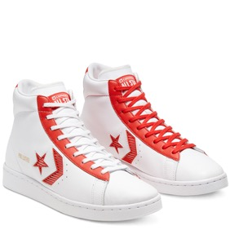 | 168616C-610 | 168616C-610 MEDIUM RED-5,5 | 168616C | 5.5 | 1 | UNISEX | 40.91 | PRO LEATHER Hl UNIVERSITY REDIWHITE | 610 MEDIUM RED | 610
 | 168616C-610 | 168616C-610 MEDIUM RED-6 | 168616C | 6 | 1 | UNISEX | 40.91 | PRO LEATHER Hl UNIVERSITY REDIWHITE | 610 MEDIUM RED | 610
 | 168673C-102 | 168673C-102 OPTICAL WHITE-9,5 | 168673C | 9.5 | 1 | UNISEX | 40.91 | CHUCK 70 OX WHITE/EGRET/UNIVERSITY RED | 102 OPTICAL WHITE | 102
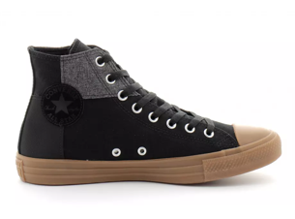 | 168826C-001 | 168826C-001 BLACK-10 | 168826C | 10 | 1 | UNISEX | 36.36 | CTAS Hl BLACK/BLACK/HONEY | 001 BLACK | 001
 | 168826C-001 | 168826C-001 BLACK-7 | 168826C | 7 | 1 | UNISEX | 36.36 | CTAS Hl BLACK/BLACK/HONEY | 001 BLACK | 001
 | 168826C-001 | 168826C-001 BLACK-7,5 | 168826C | 7.5 | 1 | UNISEX | 36.36 | CTAS Hl BLACK/BLACK/HONEY | 001 BLACK | 001
 | 168826C-001 | 168826C-001 BLACK-9,5 | 168826C | 9.5 | 2 | UNISEX | 36.36 | CTAS Hl BLACK/BLACK/HONEY | 001 BLACK | 001
 | 168865C-BLA | 168865C-BLACK 001 BLACK-9 | 168865C | 9 | 1 | UNISEX | 38.64 | CTAS STREET BOOT Hl BLACK/ALMOST | BLACK 001 BLACK | BLA
 | 169038C-281 | 169038C-281 BONE-5,5 | 169038C | 5.5 | 1 | UNISEX | 36.36 | CTAS Hl EGRETIMULTI/EGRET | 281 BONE | 281
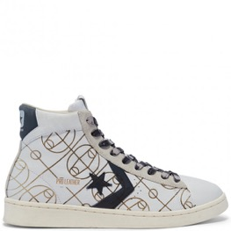 | 169116C-102 | 169116C-102 OPTICAL WHITE-12 | 169116C | 12 | 1 | UNISEX | 63.64 | PRO LEATHER OG L TD Hl BASKETBALL COURT 102 OPTICAL | 102 OPTICAL WHITE | 102
 | 169116C-102 | 169116C-102 OPTICAL WHITE-8 | 169116C | 8 | 1 | UNISEX | 63.64 | PRO LEATHER OG L TD Hl BASKETBALL COURT 102 OPTICAL | 102 OPTICAL WHITE | 102
 | 169352C-030 | 169352C-030 MEDIUM GREY-7 | 169352C | 7 | 1 | UNISEX | 40.91 | CHUCK 70 Hl ASH STONE/EGRETIOBSIDIAN | 030 MEDIUM GREY | 030
 | 169451C-001 | 169451C-001 BLACK-8,5 | 169451C | 8.5 | 1 | UNISEX | 34.09 | CTAS Hl BLACK/LEMON VENOM/WHITE | 001 BLACK | 001
 | 169478C-001 | 169478C-001 BLACK-6,5 | 169478C | 6.5 | 2 | UNISEX | 43.18 | PRO LEATHER X2 Hl BLACK/BLACK/BLACK001 BLACK | 001 BLACK | 001
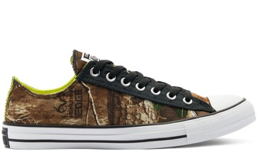 | 169683X-001 | 169683X-001 BLACK-11 | 169683X | 11 | 1 | UNISEX | 31.82 | CTAS OX BLACK/MULTI/WHITE | 001 BLACK | 001
 | 169683X-001 | 169683X-001 BLACK-8 | 169683X | 8 | 1 | UNISEX | 31.82 | CTAS OX BLACK/MULTI/WHITE | 001 BLACK | 001
 | 170066X-430 | 170066X-430 bright blue-5 | 170066X | 5 | 1 | UNISEX | 34.09 | CTAS PRO OX RUSH BLUE/BLACK/WHITE | 430 bright blue | 430
 | 170089C-319 | 170089C-319 verdigris-9,5 | 170089C | 9.5 | 1 | UNISEX | 40.91 | CHUCK 70 Hl COURT GREEN/EGRETIBLACk | 319 verdigris | 319
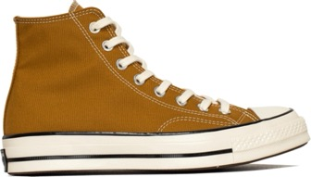 | 170090C-218 | 170090C-218 BROWN/WHITE-10 | 170090C | 10 | 1 | UNISEX | 40.91 | CHUCK 70 Hl DARK SOBA/EGRET/BLACK | 218 BROWN/WHITE | 218
 | 170090C-218 | 170090C-218 BROWN/WHITE-8,5 | 170090C | 8.5 | 0 | UNISEX | 40.91 | CHUCK 70 Hl DARK SOBA/EGRET/BLACK | 218 BROWN/WHITE | 218
 | 170094C-249 | 170094C-249 CAMEL-8,5 | 170094C | 8.5 | 1 | UNISEX | 54.55 | CHUCK 70 Hl CLOVE BROWN/CLOVE BROWN | 249 CAMEL | 249
 | 170098C-001 | 170098C-001 BLACK-8,5 | 170098C | 8.5 | 1 | UNISEX | 45.45 | JACK PURCELL OX BLACK/BLACKIEGRET | 001 BLACK | 001
 | 170104C-020 | 170104C-020 GREY-7 | 170104C | 7 | 0 | UNISEX | 45.45 | CHUCK 70 OX GREY/EGRET/BLACK | 020 GREY | 020
 | 170143C-036 | 170143C-036 STONE/BROWN-8,5 | 170143C | 8.5 | 1 | UNISEX | 36.36 | UNT1TL3D es MID PALEPUTTYIWHITE/BLACK | 036 STONE/BROWN | 036
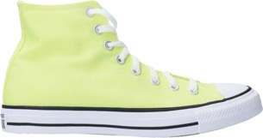 | 170154C-729 | 170154C-729 YELLOW/CREAM-10 | 170154C | 10 | 2 | UNISEX | 31.82 | CTAS Hl LT ZITRON | 729 YELLOW/CREAM | 729
 | 170154C-729 | 170154C-729 YELLOW/CREAM-11 | 170154C | 11 | 1 | UNISEX | 31.82 | CTAS Hl LT ZITRON | 729 YELLOW/CREAM | 729
 | 170154C-729 | 170154C-729 YELLOW/CREAM-3 | 170154C | 3 | 1 | UNISEX | 31.82 | CTAS Hl LT ZITRON | 729 YELLOW/CREAM | 729
 | 170154C-729 | 170154C-729 YELLOW/CREAM-3,5 | 170154C | 3.5 | 3 | UNISEX | 31.82 | CTAS Hl LT ZITRON | 729 YELLOW/CREAM | 729
 | 170154C-729 | 170154C-729 YELLOW/CREAM-4,5 | 170154C | 4.5 | 4 | UNISEX | 31.82 | CTAS Hl LT ZITRON | 729 YELLOW/CREAM | 729
 | 170154C-729 | 170154C-729 YELLOW/CREAM-5 | 170154C | 5 | 7 | UNISEX | 31.82 | CTAS Hl LT ZITRON | 729 YELLOW/CREAM | 729
 | 170154C-729 | 170154C-729 YELLOW/CREAM-5,5 | 170154C | 5.5 | 4 | UNISEX | 31.82 | CTAS Hl LT ZITRON | 729 YELLOW/CREAM | 729
 | 170154C-729 | 170154C-729 YELLOW/CREAM-6 | 170154C | 6 | 8 | UNISEX | 31.82 | CTAS Hl LT ZITRON | 729 YELLOW/CREAM | 729
 | 170154C-729 | 170154C-729 YELLOW/CREAM-7 | 170154C | 7 | 3 | UNISEX | 31.82 | CTAS Hl LT ZITRON | 729 YELLOW/CREAM | 729
 | 170154C-729 | 170154C-729 YELLOW/CREAM-7,5 | 170154C | 7.5 | 3 | UNISEX | 31.82 | CTAS Hl LT ZITRON | 729 YELLOW/CREAM | 729
 | 170154C-729 | 170154C-729 YELLOW/CREAM-8,5 | 170154C | 8.5 | 1 | UNISEX | 31.82 | CTAS Hl LT ZITRON | 729 YELLOW/CREAM | 729
 | 170154C-729 | 170154C-729 YELLOW/CREAM-9,5 | 170154C | 9.5 | 2 | UNISEX | 31.82 | CTAS Hl LT ZITRON | 729 YELLOW/CREAM | 729
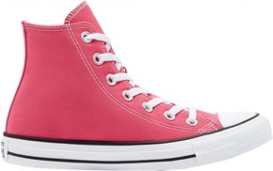 | 170155C-672 | 170155C-672 HDT PINK-3 | 170155C | 3 | 0 | UNISEX | 31.82 | CTAS Hl HYPER PINK | 672 HDT PINK | 672
 | 170155C-672 | 170155C-672 HDT PINK-4 | 170155C | 4 | 0 | UNISEX | 31.82 | CTAS Hl HYPER PINK | 672 HDT PINK | 672
 | 170155C-672 | 170155C-672 HDT PINK-4,5 | 170155C | 4.5 | 2 | UNISEX | 31.82 | CTAS Hl HYPER PINK | 672 HDT PINK | 672
 | 170155C-672 | 170155C-672 HDT PINK-5,5 | 170155C | 5.5 | 0 | UNISEX | 31.82 | CTAS Hl HYPER PINK | 672 HDT PINK | 672
 | 170155C-672 | 170155C-672 HDT PINK-6 | 170155C | 6 | 0 | UNISEX | 31.82 | CTAS Hl HYPER PINK | 672 HDT PINK | 672
 | 170155C-672 | 170155C-672 HDT PINK-6,5 | 170155C | 6.5 | 1 | UNISEX | 31.82 | CTAS Hl HYPER PINK | 672 HDT PINK | 672
 | 170155C-672 | 170155C-672 HDT PINK-7 | 170155C | 7 | 2 | UNISEX | 31.82 | CTAS Hl HYPER PINK | 672 HDT PINK | 672
 | 170155C-672 | 170155C-672 HDT PINK-8,5 | 170155C | 8.5 | 1 | UNISEX | 31.82 | CTAS Hl HYPER PINK | 672 HDT PINK | 672
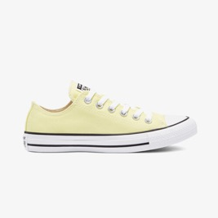 | 170156C-729 | 170156C-729 YELLDW/CREAM-5 | 170156C | 5 | 1 | UNISEX | 29.55 | CTAS DX LT ZITRDN | 729 YELLDW/CREAM | 729
 | 170156C-729 | 170156C-729 YELLDW/CREAM-5,5 | 170156C | 5.5 | 1 | UNISEX | 29.55 | CTAS DX LT ZITRDN | 729 YELLDW/CREAM | 729
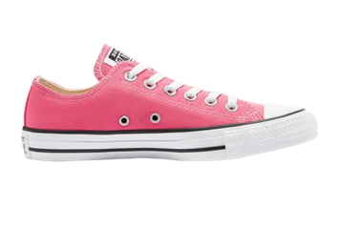 | 170157C-672 | 170157C-672 HDT PINK-3 | 170157C | 3 | 0 | UNISEX | 29.55 | CTAS DX HYPER PINK | 672 HDT PINK | 672
 | 170157C-672 | 170157C-672 HDT PINK-4 | 170157C | 4 | 0 | UNISEX | 29.55 | CTAS DX HYPER PINK | 672 HDT PINK | 672
 | 170157C-672 | 170157C-672 HDT PINK-4,5 | 170157C | 4.5 | 3 | UNISEX | 29.55 | CTAS DX HYPER PINK | 672 HDT PINK | 672
 | 170157C-672 | 170157C-672 HDT PINK-5 | 170157C | 5 | 1 | UNISEX | 29.55 | CTAS DX HYPER PINK | 672 HDT PINK | 672
 | 170238C-033 | 170238C-033 STONE/BLACK-11,5 | 170238C | 11.5 | 1 | UNISEX | 45.45 | PRO LEATHER Hl GRAVEUOBSIDIAN MIST | 033 STONE/BLACK | 033
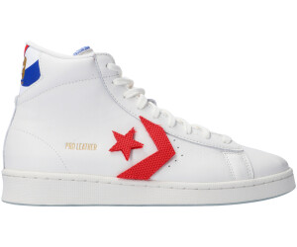 | 170240C-103 | 170240C-103 CREAM-10 | 170240C | 10 | 1 | UNISEX | 50 | PRO LEATHER Hl VINTAGE WHITE | 103 CREAM | 103
 | 170240C-103 | 170240C-103 CREAM-6 | 170240C | 6 | 1 | UNISEX | 50 | PRO LEATHER Hl VINTAGE WHITE | 103 CREAM | 103
 | 170240C-103 | 170240C-103 CREAM-9,5 | 170240C | 9.5 | 1 | UNISEX | 50 | PRO LEATHER Hl VINTAGE WHITE | 103 CREAM | 103
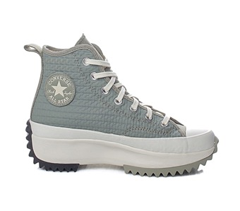 | 170247C-368 | 170247C-368 THYME-8 | 170247C | 8 | 0 | UNISEX | 54.55 | RUN STAR HIKE Hl LIGHT FIELD SURPLUS | 368 THYME | 368
 | 170247C-368 | 170247C-368 THYME-9,5 | 170247C | 9.5 | 1 | UNISEX | 54.55 | RUN STAR HIKE Hl LIGHT FIELD SURPLUS | 368 THYME | 368
 | 170290C-467 | 170290C-467 DARK NAVY-8 | 170290C | 8 | 1 | UNISEX | 54.55 | ALL STAR BB EVO MIO OBSIDIAN/HYPER PINK | 467 DARK NAVY | 467
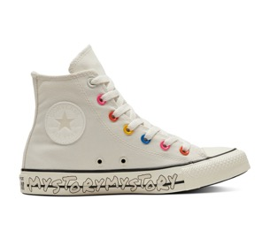 | 170293C-281 | 170293C-281 BONE-5 | 170293C | 5 | 1 | UNISEX | 34.09 | CTAS Hl EGRETIHYPER PINK/BLACK | 281 BONE | 281
 | 170293C-281 | 170293C-281 BONE-5,5 | 170293C | 5.5 | 1 | UNISEX | 34.09 | CTAS Hl EGRETIHYPER PINK/BLACK | 281 BONE | 281
 | 170295C-001 | 170295C-001 BLACK-3,5 | 170295C | 3.5 | 1 | UNISEX | 31.82 | CTAS OX BLACKIHYPER PINK/EGRET | 001 BLACK | 001
 | 170295C-001 | 170295C-001 BLACK-5,5 | 170295C | 5.5 | 1 | UNISEX | 31.82 | CTAS OX BLACKIHYPER PINK/EGRET | 001 BLACK | 001
 | 170359C-189 | 170359C-189 WHITE/BLUE-11 | 170359C | 11 | 1 | UNISEX | 40.91 | PRO LEATHER Hl WHITE/RUSH BLUE/WHITE | 189 WHITE/BLUE | 189
 | 170359C-189 | 170359C-189 WHITE/BLUE-4 | 170359C | 4 | 1 | UNISEX | 40.91 | PRO LEATHER Hl WHITE/RUSH BLUE/WHITE | 189 WHITE/BLUE | 189
 | 170359C-189 | 170359C-189 WHITE/BLUE-7 | 170359C | 7 | 1 | UNISEX | 40.91 | PRO LEATHER Hl WHITE/RUSH BLUE/WHITE | 189 WHITE/BLUE | 189
 | 170359C-189 | 170359C-189 WHITE/BLUE-8,5 | 170359C | 8.5 | 2 | UNISEX | 40.91 | PRO LEATHER Hl WHITE/RUSH BLUE/WHITE | 189 WHITE/BLUE | 189
 | 170364C-218 | 170364C-218 BROWN/WHITE-10,5 | 170364C | 10.5 | 1 | UNISEX | 34.09 | CTAS Hl DARK SOBA/BLACK/COURT GREEN | 218 BROWN/WHITE | 218
 | 170365C-001 | 170365C-001 BLACK-6 | 170365C | 6 | 1 | UNISEX | 34.09 | CTAS Hl BLACK/ASH STONE/DIGITAL BLUE | 001 BLACK | 001
 | 170442C-672 | 170442C-672 HOT PINK-4,5 | 170442C | 4.5 | 0 | UNISEX | 45.45 | RUN STAR HIKE OX HYPER PINK/WHITE/GUM | 672 HOT PINK | 672
 | 170463C-469 | 170463C-469 TEAL BLUE-3,5 | 170463C | 3.5 | 2 | UNISEX | 31.82 | CTAS Hl BRIGHT SPRUCE | 469 TEAL BLUE | 469
 | 170463C-469 | 170463C-469 TEAL BLUE-6 | 170463C | 6 | 1 | UNISEX | 31.82 | CTAS Hl BRIGHT SPRUCE | 469 TEAL BLUE | 469
 | 170463C-469 | 170463C-469 TEAL BLUE-7 | 170463C | 7 | 1 | UNISEX | 31.82 | CTAS Hl BRIGHT SPRUCE | 469 TEAL BLUE | 469
 | 170463C-469 | 170463C-469 TEAL BLUE-7,5 | 170463C | 7.5 | 1 | UNISEX | 31.82 | CTAS Hl BRIGHT SPRUCE | 469 TEAL BLUE | 469
 | 170463C-469 | 170463C-469 TEAL BLUE-9,5 | 170463C | 9.5 | 1 | UNISEX | 31.82 | CTAS Hl BRIGHT SPRUCE | 469 TEAL BLUE | 469
 | 170464C-051 | 170464C-051 GREY/WHITE/NAVY-11 | 170464C | 11 | 1 | UNISEX | 31.82 | CTAS Hl OBSIDIAN MIST | 051 GREY/WHITE/NAVY | 051
 | 170464C-051 | 170464C-051 GREY/WHITE/NAVY-7,5 | 170464C | 7.5 | 1 | UNISEX | 31.82 | CTAS Hl OBSIDIAN MIST | 051 GREY/WHITE/NAVY | 051
 | 170464C-051 | 170464C-051 GREY/WHITE/NAVY-9 | 170464C | 9 | 1 | UNISEX | 31.82 | CTAS Hl OBSIDIAN MIST | 051 GREY/WHITE/NAVY | 051
 | 170465C-330 | 170465C-330 LIGHT GREEN-10 | 170465C | 10 | 1 | UNISEX | 31.82 | CTAS Hl CERAMIC GREEN | 330 LIGHT GREEN | 330
 | 170465C-330 | 170465C-330 LIGHT GREEN-3 | 170465C | 3 | 1 | UNISEX | 31.82 | CTAS Hl CERAMIC GREEN | 330 LIGHT GREEN | 330
 | 170465C-330 | 170465C-330 LIGHT GREEN-5,5 | 170465C | 5.5 | 1 | UNISEX | 31.82 | CTAS Hl CERAMIC GREEN | 330 LIGHT GREEN | 330
 | 170465C-330 | 170465C-330 LIGHT GREEN-7 | 170465C | 7 | 2 | UNISEX | 31.82 | CTAS Hl CERAMIC GREEN | 330 LIGHT GREEN | 330
 | 170465C-330 | 170465C-330 LIGHT GREEN-7,5 | 170465C | 7.5 | 1 | UNISEX | 31.82 | CTAS Hl CERAMIC GREEN | 330 LIGHT GREEN | 330
 | 170466C-051 | 170466C-051 GREY/WHITE/NAVY-5,5 | 170466C | 5.5 | 0 | UNISEX | 29.55 | CTAS OX OBSIDIAN MIST | 051 GREY/WHITE/NAVY | 051
 | 170498C-467 | 170498C-467 DARK NAVY-11 | 170498C | 11 | 1 | UNISEX | 40.91 | ONE STAR PRO MID OBSIDIAN/HYPER PINK | 467 DARK NAVY | 467
 | 170498C-467 | 170498C-467 DARK NAVY-6 | 170498C | 6 | 1 | UNISEX | 40.91 | ONE STAR PRO MID OBSIDIAN/HYPER PINK | 467 DARK NAVY | 467
 | 170498C-467 | 170498C-467 DARK NAVY-8 | 170498C | 8 | 1 | UNISEX | 40.91 | ONE STAR PRO MID OBSIDIAN/HYPER PINK | 467 DARK NAVY | 467
 | 170857C-274 | 170857C-274 SAND-7 | 170857C | 7 | 4 | UNISEX | 34.09 | CTAS Hl STRING/WHITE/GUM HONEY | 274 SAND | 274
 | 170857C-274 | 170857C-274 SAND-8 | 170857C | 8 | 1 | UNISEX | 34.09 | CTAS Hl STRING/WHITE/GUM HONEY | 274 SAND | 274
 | 170857C-274 | 170857C-274 SAND-9 | 170857C | 9 | 1 | UNISEX | 34.09 | CTAS Hl STRING/WHITE/GUM HONEY | 274 SAND | 274
 | 170868C-001 | 170868C-001 BLACK-9 | 170868C | 9 | 1 | UNISEX | 50 | CTAS CRATER KNIT Hl BLACK/MASON | 001 BLACK | 001
 | 170870C-030 | 170870C-030 MEDIUM GREY-11 | 170870C | 11 | 1 | UNISEX | 34.09 | CTAS Hl ASH STONE/STRING/WHITE | 030 MEDIUM GREY | 030
 | 170870C-030 | 170870C-030 MEDIUM GREY-7 | 170870C | 7 | 2 | UNISEX | 34.09 | CTAS Hl ASH STONE/STRING/WHITE | 030 MEDIUM GREY | 030
 | 170870C-030 | 170870C-030 MEDIUM GREY-7,5 | 170870C | 7.5 | 1 | UNISEX | 34.09 | CTAS Hl ASH STONE/STRING/WHITE | 030 MEDIUM GREY | 030
 | 170870C-030 | 170870C-030 MEDIUM GREY-8,5 | 170870C | 8.5 | 2 | UNISEX | 34.09 | CTAS Hl ASH STONE/STRING/WHITE | 030 MEDIUM GREY | 030
 | 170870C-030 | 170870C-030 MEDIUM GREY-9 | 170870C | 9 | 1 | UNISEX | 34.09 | CTAS Hl ASH STONE/STRING/WHITE | 030 MEDIUM GREY | 030
 | 170870C-030 | 170870C-030 MEDIUM GREY-9,5 | 170870C | 9.5 | 1 | UNISEX | 34.09 | CTAS Hl ASH STONE/STRING/WHITE | 030 MEDIUM GREY | 030
 | 170938C-001 | 170938C-001 BLACK-7 | 170938C | 7 | 1 | UNISEX | 36.36 | CTAS PRO Hl BLACK/UNIVERSITY RED/WHITE | 001 BLACK | 001
 | 171060C-400 | 171060C-400 BLUE-7,5 | 171060C | 7.5 | 1 | UNISEX | 34.09 | CTAS Hl MIDNIGHT NAVY/MIDNIGHT NAVY | 400 BLUE | 400
 | 171061C-244 | 171061C-244 FLINT/KHAKI-7,5 | 171061C | 7.5 | 2 | UNISEX | 34.09 | CTAS Hl NOMAD KHAKI/EGRET/TERRA TAUPE | 244 FLINT/KHAKI | 244
 | 171066C-471 | 171066C-471 BLUE/GOLD-10 | 171066C | 10 | 1 | UNISEX | 36.36 | CTAS Hl MIDNIGHT NAVYNINTAGE WHITE | 471 BLUE/GOLD | 471
 | 171066C-471 | 171066C-471 BLUE/GOLD-7 | 171066C | 7 | 1 | UNISEX | 36.36 | CTAS Hl MIDNIGHT NAVYNINTAGE WHITE | 471 BLUE/GOLD | 471
 | 171066C-471 | 171066C-471 BLUE/GOLD-7,5 | 171066C | 7.5 | 1 | UNISEX | 36.36 | CTAS Hl MIDNIGHT NAVYNINTAGE WHITE | 471 BLUE/GOLD | 471
 | 171067C-281 | 171067C-281 BONE-10,5 | 171067C | 10.5 | 1 | UNISEX | 36.36 | CTAS Hl EGRET/VINTAGE WHITE | 281 BONE | 281
 | 171067C-281 | 171067C-281 BONE-5,5 | 171067C | 5.5 | 1 | UNISEX | 36.36 | CTAS Hl EGRET/VINTAGE WHITE | 281 BONE | 281
 | 171067C-281 | 171067C-281 BONE-9,5 | 171067C | 9.5 | 1 | UNISEX | 36.36 | CTAS Hl EGRET/VINTAGE WHITE | 281 BONE | 281
 | 171069C-102 | 171069C-102 OPTICAL WHITE-10 | 171069C | 10 | 2 | UNISEX | 45.45 | PRO LEATHER Hl WHITE/COURT GREEN/EGRET | 102 OPTICAL WHITE | 102
 | 171069C-102 | 171069C-102 OPTICAL WHITE-4 | 171069C | 4 | 1 | UNISEX | 45.45 | PRO LEATHER Hl WHITE/COURT GREEN/EGRET | 102 OPTICAL WHITE | 102
 | 171069C-102 | 171069C-102 OPTICAL WHITE-7 | 171069C | 7 | 1 | UNISEX | 45.45 | PRO LEATHER Hl WHITE/COURT GREEN/EGRET | 102 OPTICAL WHITE | 102
 | 171069C-102 | 171069C-102 OPTICAL WHITE-8 | 171069C | 8 | 0 | UNISEX | 45.45 | PRO LEATHER Hl WHITE/COURT GREEN/EGRET | 102 OPTICAL WHITE | 102
 | 171069C-102 | 171069C-102 OPTICAL WHITE-8,5 | 171069C | 8.5 | 0 | UNISEX | 45.45 | PRO LEATHER Hl WHITE/COURT GREEN/EGRET | 102 OPTICAL WHITE | 102
 | 171069C-102 | 171069C-102 OPTICAL WHITE-9 | 171069C | 9 | 2 | UNISEX | 45.45 | PRO LEATHER Hl WHITE/COURT GREEN/EGRET | 102 OPTICAL WHITE | 102
 | 171073C-703 | 171073C-703 MUSTARD-8,5 | 171073C | 8.5 | 1 | UNISEX | 40.91 | CHUCK 70 Hl GOLD DART/EGRET/FIRE | 703 MUSTARD | 703
 | 171075C-102 | 171075C-102 OPTICAL WHITE-4,5 | 171075C | 4.5 | 0 | UNISEX | 36.36 | CTAS Hl WHITE/BLACKIBLACK | 102 OPTICAL WHITE | 102
 | 171075C-102 | 171075C-102 OPTICAL WHITE-5,5 | 171075C | 5.5 | 0 | UNISEX | 36.36 | CTAS Hl WHITE/BLACKIBLACK | 102 OPTICAL WHITE | 102
 | 171075C-102 | 171075C-102 OPTICAL WHITE-7,5 | 171075C | 7.5 | 0 | UNISEX | 36.36 | CTAS Hl WHITE/BLACKIBLACK | 102 OPTICAL WHITE | 102
...

